Dala Sales & Deliveries
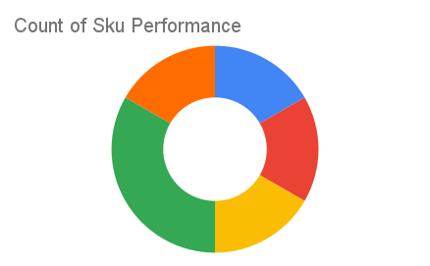
Total Invoices Delivered | 10.00 | Sku Performance | Units | Value
Unique Locations Supplied | 10.00 | 500g Grandios Brown Pap (20x) | 3.75 | 120,000.00
Total Value of orders | 286,850.00 | 500g Grandios White Pap (20x) | 1.75 | 56,000.00
 |  | 500g Grandios Yellow Pap (20x) | 3.00 | 96,000.00
 |  | 50g Grandios Brown Pap (120x) | 0.25 | 4,950.00
 |  | 50g Grandios Yellow Pap (120x) | 0.25 | 4,950.00
 |  | 50g Grandios Brown Pap (120x) | 0.25 | 4,950.00
 |  |  | 0.00 | 0.00
 |  |  | 0.00 | 0.00
 |  |  | 0.00 | 0.00
 |  |  | 0.00 | 0.00
 |  |  | 0.00 | 0.00
 |  |  | 0.00 | 0.00

